Sheet1
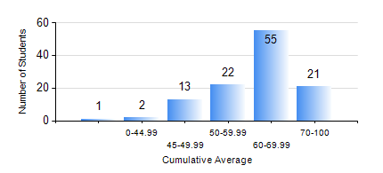
 |  |  | KWAME NKRUMAH UNIVERSITY OF SCIENCE AND TECHNOLOGY, KUMASI Department of Petroleum Engineering

 |  |  | BSC. PETROLEUM ENG.

 |  |  | COMPREHENSIVE RECORD OF EXAMINATION RESULTS

 |  |  | RESULTS OF YEAR 3 FIRST SEMESTER, 2021/2022 ACADEMIC YEAR

 | Sn | Course Code |  | Course Name | Credit Hours | Min. Mark | Max. Mark | Avg. Mark | Std. Dev. | No. Passed | No. Trailed | No. (Df) | No. (I) | No. (I*) | No. Tagged(I,I*,Df) | Total
 | 0. |  |  |  |  |  |  | 0 | 0 | 0 | 0 | 0 | 0 | 0 | 0 | 5
 | 1. | PE 351 |  | PETROLEUM ROCK MECHANICS | 2 | 24 | 79 | 60 | 10.31 | 104 | 5 | 0 | 0 | 0 | 0 | 109
 | 2. | PE 353 |  | DRILLING ENGINEERING I | 3 | 26 | 79 | 54 | 11.2 | 101 | 8 | 0 | 0 | 0 | 0 | 109
 | 3. | PE 355 |  | PETROLEUM ENGINEERING LABORATORY I | 2 | 42 | 88 | 66 | 8.91 | 109 | 0 | 0 | 0 | 0 | 0 | 109
 | 4. | PE 357 |  | PETROLEUM PRODUCTION ENGINEERING I | 3 | 22 | 88 | 53 | 12.25 | 103 | 6 | 0 | 0 | 0 | 0 | 109
 | 5. | PE 359 |  | RESERVOIR PETROPHYSICS | 2 | 21 | 80 | 56 | 13.29 | 99 | 9 | 0 | 1 | 0 | 1 | 109
 | 6. | PE 361 |  | RESERVOIR ENGINEERING II | 3 | 15 | 74 | 48 | 13.48 | 89 | 19 | 0 | 1 | 0 | 1 | 109
 | 7. | PE 363 |  | FORMATION EVALUATION | 3 | 41 | 81 | 60 | 8.72 | 108 | 0 | 0 | 1 | 0 | 1 | 109
 | 8. | PE 367 |  | STATISTICS FOR PETROLEUM ENGINEERS | 2 | 50 | 99 | 83 | 12.23 | 108 | 0 | 0 | 1 | 0 | 1 | 109

